Regions
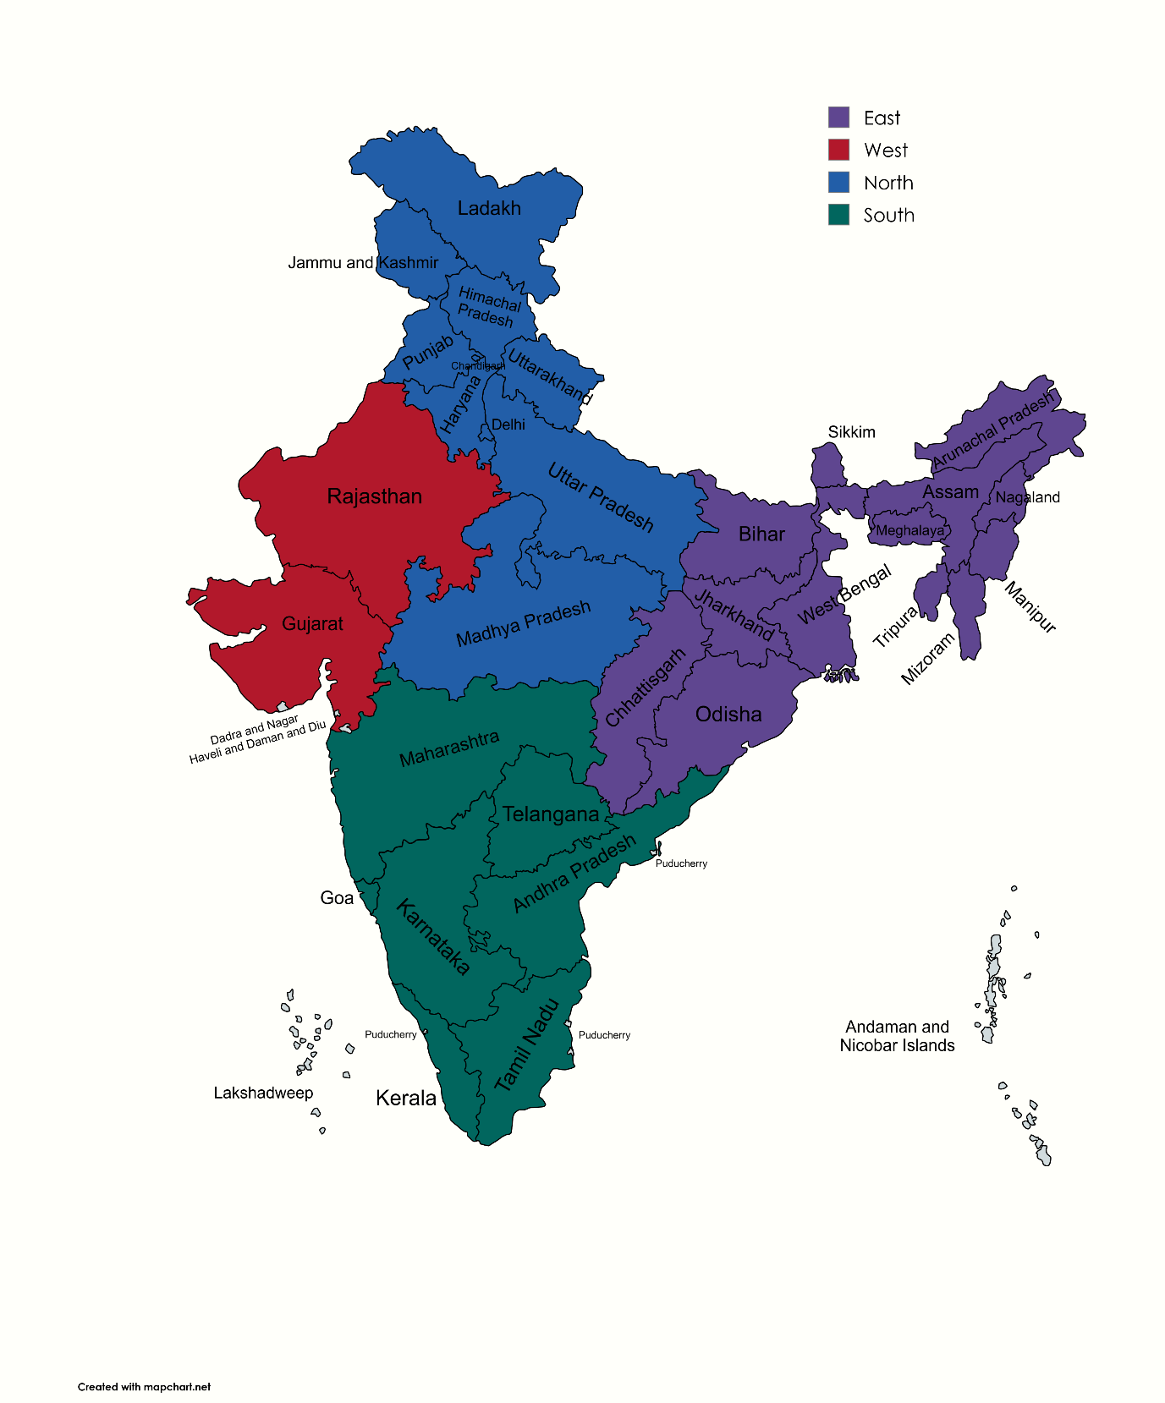
Region | States / UTs
North | Delhi | Punjab | Himachal Pradesh | Haryana | Uttarakhand | Jammu & Kashmir | Ladakh | Chandigarh | Uttar Pradesh
East | Bihar | Jharkhand | Odisha | West Bengal | Sikkim | Arunachal Pradesh | Assam | Meghalaya | Nagaland | Manipur | Mizoram | Tripura
West | Gujarat | Rajasthan | Maharashtra | Goa | Madhya Pradesh | Chhattisgarh
South | Telangana | Andhra Pradesh | Karnataka | Tamil Nadu | Kerala | Puducherry

Heads
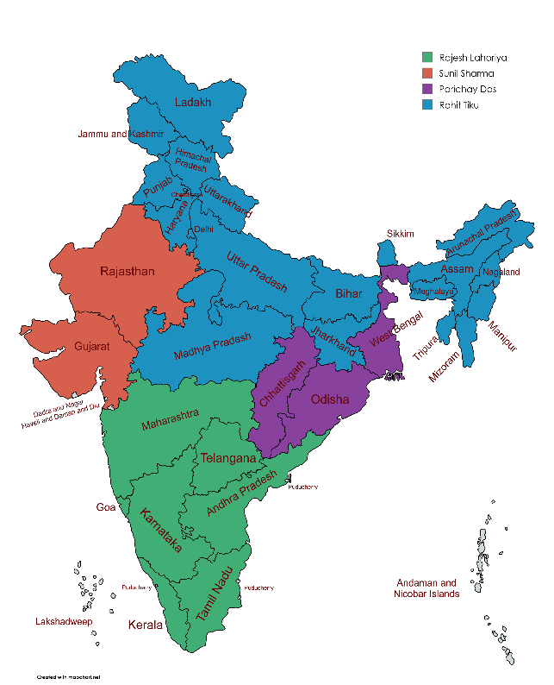
Territory | Regional Managers | States count
North | Mr.Rohit Tiku | 20
South | Mr.Rajesh Lahoria | 8
West | Mr.Sunil Sharma | 2
East | Mr.Parichay Das | 3

Regional Managers
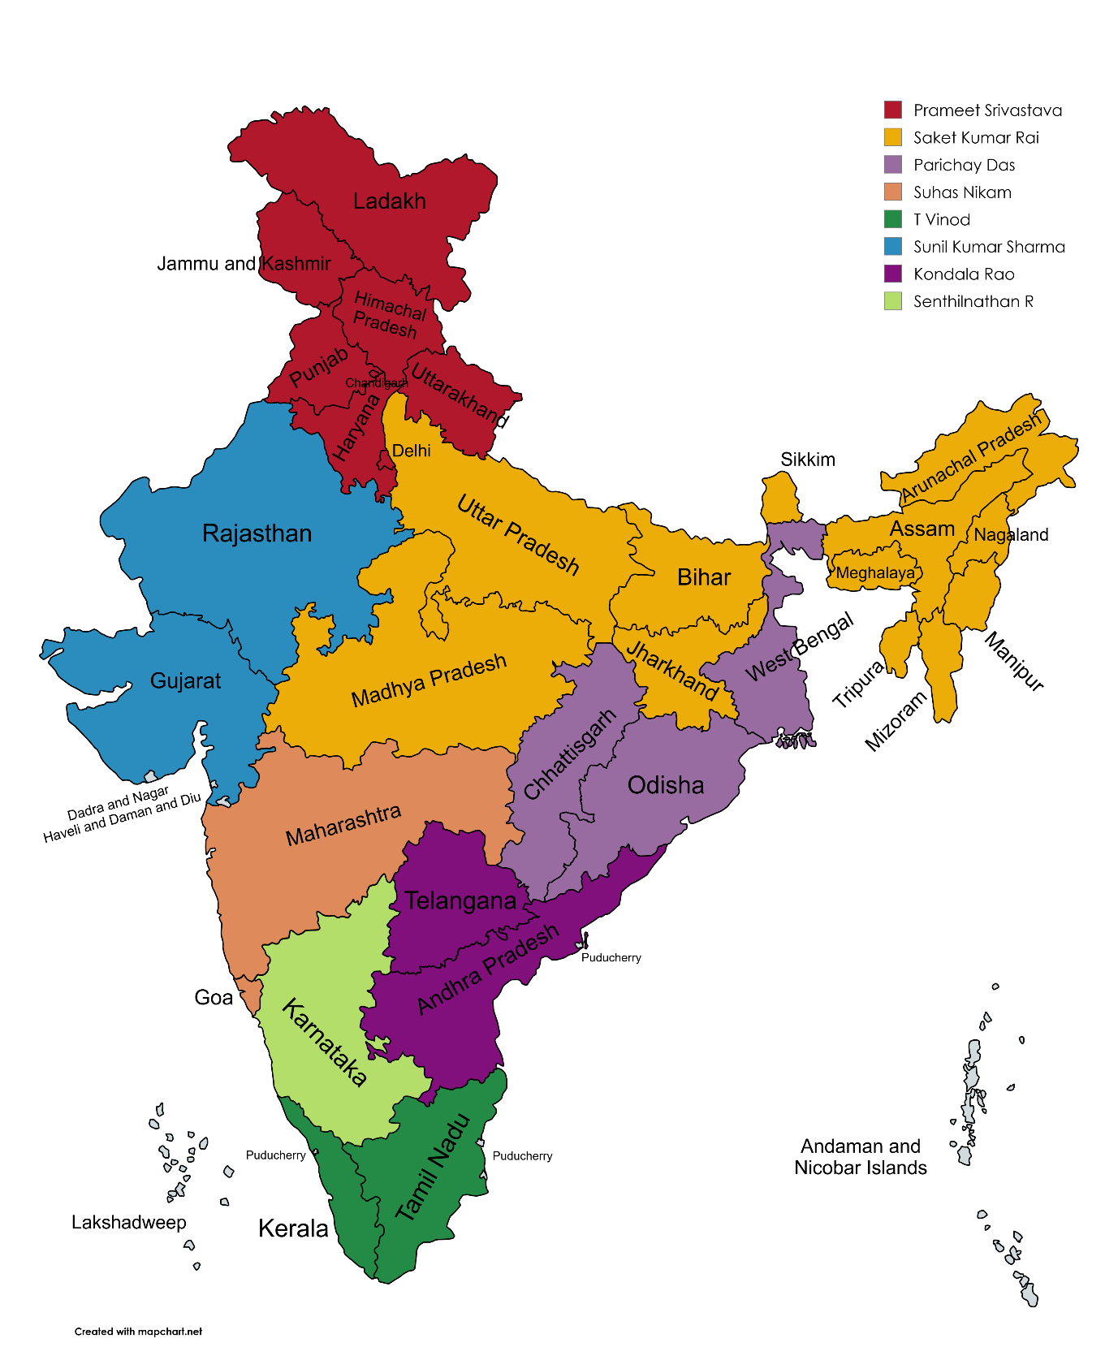
Name | States / UTs
Prameet Srivastava | Delhi | Punjab | Himachal Pradesh | Haryana | Uttarakhand | Jammu & Kashmir | Ladakh | Chandigarh
Saket Kumar Rai | Uttar Pradesh | Bihar | Madhya Pradesh | Jharkhand | Sikkim | Arunachal Pradesh | Meghalaya | Nagaland | Manipur | Mizoram | Assam | Tripura
Suhas Nikam | Maharashtra | Goa
T Vinod | Tamil Nadu | Puducherry | Kerala
Kondala Rao | Telangana | Andhra Pradesh
Senthilnathan R | Karnataka
Sunil Kumar Sharma | Gujarat | Rajasthan

Account Managers
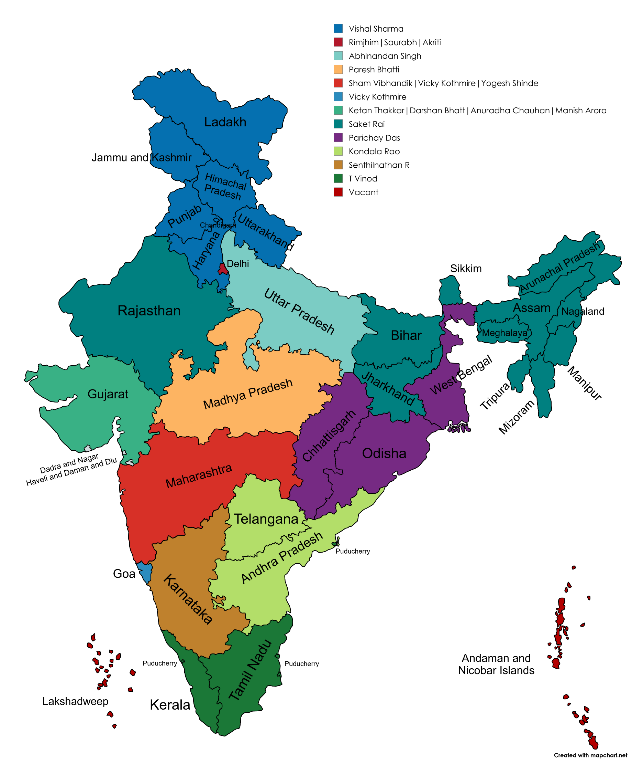
Names | Email Id | Entity | Head | BU | Designation | T.Region | T.States-1 | T.States-2 | T.States-3 | T.States-4 | T.States-5 | T.States-6 | T.States-7 | T.States-8 | T.States-9 | T.States-10 | T.States-11 | T.States-12
Prameet Srivastava | prameet@amnex.com | Internal | NA | Consolidated | Regional Manager | North | Delhi | Punjab | Himachal Pradesh | Haryana | Uttrakhand | J&K | Leh-Ladakh | Chandigarh
Vishal Sharma | vishal4@amnex.com | Internal | NA | Consolidated | Account Manager | North | Punjab | Himachal Pradesh | Haryana | Uttrakhand | J&K | Leh-Ladakh | Chandigarh
Rimjhim Rai | rimjhim@amnex.com | Internal | NA | Consolidated | Account Manager | North | Delhi
Saurabh Gupta | saurabh5@amnex.com | Internal | NA | Consolidated | Account Manager | North | Delhi
Akriti Nagpal | akriti@amnex.com | Internal | NA | Consolidated | Account Manager | North | Delhi
Saket Kumar Rai | saket@amnex.com | Internal | NA | Consolidated | Regional Manager | North | Uttar Pradesh | Bihar | Madhya Pradesh | Jharkhand | Sikkim | Arunachal pradesh | Meghalaya | Nagaland | Manipur | Mizoram | Assam | Tripura
Abhinandan Singh | abhinandan@amnex.com | Internal | NA | Consolidated | Account Manager | North | Uttar Pradesh
Paresh Bhatti | paresh@amnex.com | Internal | NA | Consolidated | Account Manager | North | Madhya Pradesh
Parichay Das | parichay@amnex.com | External | Regional | Consolidated | Regional Manager & Head | North | Odisha | Chattisgarh | West Bengal
Akash Swain | akash13@amnex.com | Internal | NA | Consolidated | Account Manager | North | Odisha
Suhas Nikam | suhas@amnex.com | Internal | NA | Consolidated | Regional Manager | South | Maharashtra | Goa
Sham Vibhandik | sham@amnex.com | Internal | NA | Consolidated | Account Manager | South | Maharashtra
Vicky Kothmire | vicky2@amnex.com | Internal | NA | Consolidated | Account Manager | South | Maharashtra | Goa
Yogesh Shinde | yogesh10@amnex.com | Internal | NA | Consolidated | Account Manager | South | Maharashtra
T Vinod | vinod@amnex.com | Internal | NA | Consolidated | Regional Manager | South | Tamil Nadu | Pondicherry | kerala
Kondala Rao | kondala@amnex.com | Internal | NA | Consolidated | Regional Manager & Head | South | Telangana | Andhra Pradesh
Senthilnathan R | senthilnathan@amnex.com | Internal | NA | Consolidated | Regional Manager & Head | South | Karnataka
Sunil Kumar Sharma | sunilkumar@amnex.com | Internal | Regional | Consolidated | Regional Manager & Head | West | Gujrat | Rajasthan
Ketan Thakkar | ketant@amnex.com | Internal | NA | Consolidated | Account Manager | West | Gujrat
Darshan Bhatt | darshan3@amnex.com | Internal | NA | Consolidated | Account Manager | West | Gujrat
Anuradha Chauhan | anuradha@amnex.com | Internal | NA | Consolidated | Account Manager | West | Gujrat
Manish Arora | manish13@amnex.com | Internal | NA | Consolidated | Account Manager | West | Gujrat
Jitendra Kumavat | jitendrak@amnex.com | Internal | NA | Consolidated | Account Manager | West | Rajasthan

Sheet10
